BFBKFIN
BFBKFIN | Bajaj Finserv Banking and Financial Services Fund

 | Monthly Portfolio Statement as on March 31, 2026
 | Name of the Instrument | ISIN | Industry | Quantity | Market/Fair Value (Rs. in Lakhs) | % to Net Assets | YTM~ | YTC^
 | Equity & Equity related
 | (a) Listed / awaiting listing on Stock Exchanges
HDFB03 | HDFC Bank Limited | INE040A01034 | Banks | 746,715 | 5,462.59 | 14.67%
IBCL05 | ICICI Bank Limited | INE090A01021 | Banks | 412,742 | 4,977.26 | 13.37%
UTIB02 | Axis Bank Limited | INE238A01034 | Banks | 288,224 | 3,347.15 | 8.99%
SBAI02 | State Bank of India | INE062A01020 | Banks | 315,513 | 3,090.13 | 8.30%
KOMA03 | Kotak Mahindra Bank Limited | INE237A01036 | Banks | 821,855 | 2,904.44 | 7.80%
FEBA02 | The Federal Bank Limited | INE171A01029 | Banks | 608,256 | 1,577.82 | 4.24%
MNGF02 | Manappuram Finance Limited | INE522D01027 | Finance | 541,095 | 1,358.69 | 3.65%
SHTR02 | Shriram Finance Limited | INE721A01047 | Finance | 139,239 | 1,214.30 | 3.26%
RATN01 | RBL Bank Limited | INE976G01028 | Banks | 374,331 | 1,084.62 | 2.91%
GODI01 | Go Digit General Insurance Limited | INE03JT01014 | Insurance | 331,029 | 1,078.00 | 2.89%
NIVB01 | Niva Bupa Health Insurance Company Limited | INE995S01015 | Insurance | 1,314,559 | 922.95 | 2.48%
RELS01 | Jio Financial Services Limited | INE758E01017 | Finance | 400,269 | 897.00 | 2.41%
BFSL02 | Bajaj Finserv Limited | INE918I01026 | Finance | 49,954 | 815.15 | 2.19%
ICRA01 | ICRA Limited | INE725G01011 | Capital Markets | 14,997 | 750.30 | 2.01%
AGBL02 | Angel One Limited | INE732I01021 | Capital Markets | 312,849 | 711.83 | 1.91%
IIFM02 | 360 One WAM Limited | INE466L01038 | Capital Markets | 73,897 | 701.73 | 1.88%
BAFL03 | Bajaj Finance Limited | INE296A01032 | Finance | 80,902 | 648.47 | 1.74%
BSEL02 | BSE Limited | INE118H01025 | Capital Markets | 23,167 | 621.69 | 1.67%
USFB01 | Ujjivan Small Finance Bank Limited | INE551W01018 | Banks | 1,114,152 | 562.76 | 1.51%
GRAM01 | CreditAccess Grameen Limited | INE741K01010 | Finance | 31,790 | 368.13 | 0.99%
ABFS01 | Aditya Birla Capital Limited | INE674K01013 | Finance | 120,851 | 353.19 | 0.95%
MAXI02 | Max Financial Services Limited | INE180A01020 | Insurance | 21,936 | 327.00 | 0.88%
ESMC02 | PB Fintech Limited | INE417T01026 | Financial Technology (Fintech) | 21,260 | 303.55 | 0.82%
PRUD01 | Prudent Corporate Advisory Services Limited | INE00F201020 | Capital Markets | 13,339 | 290.12 | 0.78%
MEAH02 | Medi Assist Healthcare Services Limited | INE456Z01021 | Insurance | 84,301 | 250.16 | 0.67%
CUBI02 | City Union Bank Limited | INE491A01021 | Banks | 100,000 | 239.85 | 0.64%
IIBL01 | IndusInd Bank Limited | INE095A01012 | Banks | 31,558 | 237.46 | 0.64%
ONCO02 | One 97 Communications Limited | INE982J01020 | Financial Technology (Fintech) | 17,329 | 166.19 | 0.45%
MCEX02 | Multi Commodity Exchange of India Limited | INE745G01043 | Capital Markets | 6,000 | 143.36 | 0.38%
HDAM01 | HDFC Asset Management Company Limited | INE127D01025 | Capital Markets | 5,982 | 132.59 | 0.36%
PHFP02 | PNB Housing Finance Limited | INE572E01012 | Finance | 9,589 | 72.40 | 0.19%
 | Sub Total |  |  |  | 35,610.86 | 95.63%
 | (b) Unlisted |  |  |  | NIL | NIL
 | Sub Total |  |  |  | NIL | NIL
 | Total |  |  |  | 35,610.86 | 95.63%
 | Derivatives
 | (a) Index / Stock Futures
BNIFYAPR26 | Bank Nifty Index April 2026 Future |  |  | 720 | 364.54 | 0.98%
 | Sub Total |  |  |  | 364.54 | 0.98%
 | Total |  |  |  | 364.54 | 0.98%
 | Others
 | Mutual Fund Units
151889 | Bajaj Finserv Money Market Fund-Direct Plan-Growth | INF0QA701334 |  | 41,899 | 508.99 | 1.37%
 | Sub Total |  |  |  | 508.99 | 1.37%
 | Total |  |  |  | 508.99 | 1.37%
 | Reverse Repo / TREPS
TRP_020426 | Clearing Corporation of India Ltd |  |  |  | 39.61 | 0.11% | 6.17%
 | Sub Total |  |  |  | 39.61 | 0.11%
 | Total |  |  |  | 39.61 | 0.11%
 | Net Receivables / (Payables) |  |  |  | 716.77 | 1.91%
 | GRAND TOTAL |  |  |  | 37,240.77 | 100.00%

 | ~ YTM as on March 31, 2026
 | ^ YTC represents Yield to Call provided by valuation agencies as on March 31, 2026. It is disclosed for Perpetual Bond issued by Banks (i.e. AT-1 Bond / Tier 1 Bond / Tier 2 Bond), as per AMFI Best Practices Guidelines Circular no. 135/BP/91/2020-21 read with SEBI circular No. SEBI/HO/IMD/IMD-PoD-1/P/CIR/2024/90 on Valuation of AT-1 Bonds and Tier 2 Bonds.

 | Notes
 | (1) There is no security which is in default beyond its maturity/ interest payment date.
 | (2) Plan/ Option wise per unit net asset value are as follows:
 | Plan/ Option | As on Mar 31, 2026 | As on Feb 27, 2026
 | Regular IDCW | 8.648 | 9.991
 | Regular Growth | 8.648 | 9.991
 | Direct IDCW | 8.696 | 10.032
 | Direct Growth | 8.696 | 10.032
 | (3) Details of gross distribution (of income and capital) during the month are as follows: Nil
 | (4) Total outstanding exposure in derivative instruments as on Feb 28, 2026 is NIL
 | (5) The average maturity is NIL/ Macaluay Duration of the portfolio is NIL.
 | (6) Total market value of investments in foreign securities/ American Depository Receipts/ Global Depository Receipts as at Feb 28, 2026 is Rs. Nil.
 | (7) Total outstanding exposure of repo transactions in corporate debt securities as on Feb 28, 2026, is Rs. Nil.
 | (8) Investment in short term deposits at the end of the month is Rs.NIL
 | (9) Portfolio Turover Ratio as on Feb 28, 2026: NIL

 |  | Benchmark Name - NIFTY FINANCIAL SERVICES TRI
 | Scheme Risk-O-Meter | Benchmark Risk-O-Meter
 |  | 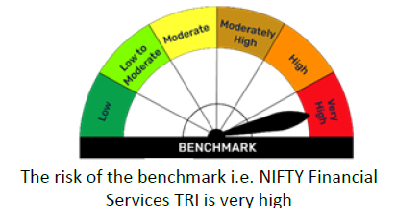

BFEQSF
BFEQSF | Bajaj Finserv Equity Savings Fund

 | Monthly Portfolio Statement as on March 31, 2026
 | Name of the Instrument | ISIN | Industry | Quantity | Market/Fair Value (Rs. in Lakhs) | % to Net Assets | YTM~ | YTC^
 | Equity & Equity related
 | (a) Listed / awaiting listing on Stock Exchanges
SESA02 | Vedanta Limited | INE205A01025 | Diversified Metals | 20,700 | 135.54 | 4.33%
ITCL02 | ITC Limited | INE154A01025 | Diversified FMCG | 41,695 | 119.96 | 3.83%
IBCL05 | ICICI Bank Limited | INE090A01021 | Banks | 7,847 | 94.63 | 3.02%
KOMA03 | Kotak Mahindra Bank Limited | INE237A01036 | Banks | 26,745 | 94.52 | 3.02%
ZMPL01 | Eternal Limited | INE758T01015 | Retailing | 38,800 | 88.84 | 2.84%
BINL01 | Indus Towers Limited | INE121J01017 | Telecom - Services | 20,246 | 84.66 | 2.71%
...
 | Notes
 | (4) Total outstanding exposure in derivative instruments as on Mar 31, 2026 is (1581.62) Lakhs.
 | (5) The average maturity is 221 Days/ Macaluay Duration of the portfolio is 206 Days.
 | (6) Total market value of investments in foreign securities/ American Depository Receipts/ Global Depository Receipts as at Mar 31, 2026 is Rs. Nil.
 | (7) Total outstanding exposure of repo transactions in corporate debt securities as on Mar 31, 2026 is Rs. Nil.
 | (8) Investment in short term deposits at the end of the month is Rs.NIL

 |  | Benchmark Name - NIFTY EQUITY SAVINGS TRI
 | Scheme Risk-O-Meter | Benchmark Risk-O-Meter
 | 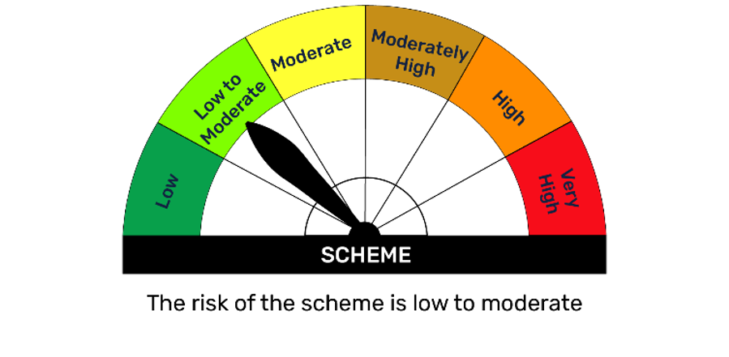

BFLOWD
...
Notes
(3) Details of gross distribution (of income and capital) during the month are as follows: Nil
(4) Total outstanding exposure in derivative instruments as on Mar 31, 2026 is Nil.
(5) The average maturity is 357 Days/ Macaluay Duration of the portfolio is 349 Days.
(6) Total market value of investments in foreign securities/ American Depository Receipts/ Global Depository Receipts as at Mar 31, 2026 is Rs. Nil.
(7) Total outstanding exposure of repo transactions in corporate debt securities as on Mar 31, 2026 is Rs. Nil.
(8) Portfolio Turover Ratio as on Mar 31, 2026: Nil.

 | Benchmark Name - NIFTY LOW DURATION DEBT INDEX A-I
Scheme Risk-O-Meter | Benchmark Risk-O-Meter
 | 