BFBAF
BFBAF | Bajaj Finserv Balanced Advantage Fund

 | Monthly Portfolio Statement as on April 30, 2026
 | Name of the Instrument | ISIN | Industry | Quantity | Market/Fair Value (Rs. in Lakhs) | % to Net Assets | YTM~ | YTC^
 | Equity & Equity related
 | (a) Listed / awaiting listing on Stock Exchanges
HDFB03 | HDFC Bank Limited | INE040A01034 | Banks | 1,182,413 | 9,124.68 | 7.43%
IBCL05 | ICICI Bank Limited | INE090A01021 | Banks | 514,701 | 6,502.73 | 5.29%
BALN01 | Bajaj Auto Limited | INE917I01010 | Automobiles | 43,506 | 4,347.99 | 3.54%
RIND01 | Reliance Industries Limited | INE002A01018 | Petroleum Products | 275,078 | 3,935.82 | 3.20%
HLEL02 | Hindustan Unilever Limited | INE030A01027 | Diversified FMCG | 169,846 | 3,823.06 | 3.11%
DIVI02 | Divi's Laboratories Limited | INE361B01024 | Pharmaceuticals & Biotechnology | 58,337 | 3,793.36 | 3.09%
BTVL02 | Bharti Airtel Limited | INE397D01024 | Telecom - Services | 195,777 | 3,693.92 | 3.01%
SBAI02 | State Bank of India | INE062A01020 | Banks | 320,784 | 3,427.42 | 2.79%
TISC03 | Tata Steel Limited | INE081A01020 | Ferrous Metals | 1,541,376 | 3,257.85 | 2.65%
UTIB02 | Axis Bank Limited | INE238A01034 | Banks | 256,063 | 3,247.65 | 2.64%
ULCC01 | UltraTech Cement Limited | INE481G01011 | Cement & Cement Products | 27,969 | 3,240.49 | 2.64%
LARS02 | Larsen & Toubro Limited | INE018A01030 | Construction | 71,092 | 2,853.63 | 2.32%
SCHI01 | Sanofi Consumer Healthcare India Limited | INE0UOS01011 | Pharmaceuticals & Biotechnology | 46,111 | 2,196.68 | 1.79%
FAGP02 | Schaeffler India Limited | INE513A01022 | Auto Components | 52,871 | 2,180.82 | 1.77%
TWAT02 | Titan Company Limited | INE280A01028 | Consumer Durables | 48,176 | 2,112.61 | 1.72%
SPIL03 | Sun Pharmaceutical Industries Limited | INE044A01036 | Pharmaceuticals & Biotechnology | 116,826 | 2,112.56 | 1.72%
DLFL01 | DLF Limited | INE271C01023 | Realty | 358,236 | 2,102.85 | 1.71%
BHEL02 | Bharat Electronics Limited | INE263A01024 | Aerospace & Defense | 461,296 | 1,989.57 | 1.62%
ZMPL01 | Eternal Limited | INE758T01015 | Retailing | 779,457 | 1,925.49 | 1.57%
NTPC01 | NTPC Limited | INE733E01010 | Power | 478,510 | 1,909.97 | 1.55%
INFS02 | Infosys Limited | INE009A01021 | IT - Software | 160,179 | 1,893.00 | 1.54%
ITCL02 | ITC Limited | INE154A01025 | Diversified FMCG | 561,245 | 1,767.36 | 1.44%
SHTR02 | Shriram Finance Limited | INE721A01047 | Finance | 184,416 | 1,728.62 | 1.41%
FEBA02 | The Federal Bank Limited | INE171A01029 | Banks | 491,955 | 1,411.66 | 1.15%
RURE01 | Rubicon Research Limited | INE506V01022 | Pharmaceuticals & Biotechnology | 143,510 | 1,391.98 | 1.13%
NEST02 | Nestle India Limited | INE239A01024 | Food Products | 94,000 | 1,371.08 | 1.12%
APOL02 | Apollo Hospitals Enterprise Limited | INE437A01024 | Healthcare Services | 17,286 | 1,320.05 | 1.07%
GLAX01 | GlaxoSmithKline Pharmaceuticals Limited | INE159A01016 | Pharmaceuticals & Biotechnology | 55,555 | 1,297.99 | 1.06%
HCLT02 | HCL Technologies Limited | INE860A01027 | IT - Software | 101,251 | 1,214.10 | 0.99%
SAIL01 | Steel Authority of India Limited | INE114A01011 | Ferrous Metals | 650,417 | 1,200.80 | 0.98%
MCSP02 | United Spirits Limited | INE854D01024 | Beverages | 90,000 | 1,193.04 | 0.97%
ACCL02 | ACC Limited | INE012A01025 | Cement & Cement Products | 78,450 | 1,115.64 | 0.91%
JVSL04 | JSW Steel Limited | INE019A01038 | Ferrous Metals | 85,276 | 1,078.32 | 0.88%
ADAP02 | Adani Power Limited | INE814H01029 | Power | 450,000 | 998.33 | 0.81%
ASPA02 | Asian Paints Limited | INE021A01026 | Consumer Durables | 40,260 | 984.16 | 0.80%
MNGF02 | Manappuram Finance Limited | INE522D01027 | Finance | 330,000 | 971.36 | 0.79%
HZIN02 | Hindustan Zinc Limited | INE267A01025 | Non - Ferrous Metals | 162,073 | 965.87 | 0.79%
RELS01 | Jio Financial Services Limited | INE758E01017 | Finance | 371,000 | 914.03 | 0.74%
BINL01 | Indus Towers Limited | INE121J01017 | Telecom - Services | 218,243 | 894.69 | 0.73%
SESA02 | Vedanta Limited | INE205A01025 | Diversified Metals | 284,177 | 771.68 | 0.63%
ONGC02 | Oil & Natural Gas Corporation Limited | INE213A01029 | Oil | 245,685 | 735.95 | 0.60%
RATN01 | RBL Bank Limited | INE976G01028 | Banks | 210,000 | 706.76 | 0.58%
BAFL03 | Bajaj Finance Limited | INE296A01032 | Finance | 75,360 | 706.12 | 0.57%
DIXO02 | Dixon Technologies (India) Limited | INE935N01020 | Consumer Durables | 6,000 | 669.99 | 0.55%
MOSU03 | Samvardhana Motherson International Limited | INE775A01035 | Auto Components | 510,000 | 618.17 | 0.50%
WIPR02 | Wipro Limited | INE075A01022 | IT - Software | 300,000 | 601.95 | 0.49%
AUPH03 | Aurobindo Pharma Limited | INE406A01037 | Pharmaceuticals & Biotechnology | 43,243 | 600.86 | 0.49%
TELC03 | Tata Motors Passenger Vehicles Limited | INE155A01022 | Automobiles | 175,000 | 597.71 | 0.49%
LAKM02 | Trent Limited | INE849A01020 | Retailing | 14,370 | 595.58 | 0.48%
HALT02 | Hindustan Aeronautics Limited | INE066F01020 | Aerospace & Defense | 12,384 | 537.32 | 0.44%
VEDA03 | Malco Energy Limited ** | INE704J01044 | Miscellaneous | 284,177 | 343.94 | 0.28%
VISL01 | Vedanta Iron And Steel Limited ** | INE1CLE01013 | Miscellaneous | 284,177 | 343.94 | 0.28%
VAML01 | Vedanta Aluminium Metal Limited ** | INE1CDF01017 | Miscellaneous | 284,177 | 343.94 | 0.28%
TASP01 | Talwandi Sabo Power Limited ** | INE694L01019 | Miscellaneous | 284,177 | 343.94 | 0.28%
SOEL02 | Solar Industries India Limited | INE343H01029 | Chemicals & Petrochemicals | 2,200 | 339.66 | 0.28%
TOPH02 | Torrent Pharmaceuticals Limited | INE685A01028 | Pharmaceuticals & Biotechnology | 8,000 | 334.81 | 0.27%
MUND02 | Adani Ports and Special Economic Zone Limited | INE742F01042 | Transport Infrastructure | 19,923 | 330.18 | 0.27%
TTEA02 | Tata Consumer Products Limited | INE192A01025 | Agricultural Food & other Products | 28,000 | 320.49 | 0.26%
MAXI02 | Max Financial Services Limited | INE180A01020 | Insurance | 20,000 | 317.14 | 0.26%
...
 | Notes
 | (6) Total market value of investments in foreign securities/ American Depository Receipts/ Global Depository Receipts as at April 30, 2026 is Rs. Nil.
 | (7) Total outstanding exposure of repo transactions in corporate debt securities as on April 30, 2026, is Rs. Nil.
 | (8) Investment in short term deposits at the end of the month is Rs.NIL
 | (9) Bonus was declared during the Month : NIL
 | (10) Portfolio Turover Ratio as on April 30, 2026: 2.77 times

 |  | Benchmark Name - NIFTY 50 HYBRID COMPOSITE DEBT 50:50 INDEX
 | Scheme Risk-O-Meter | Benchmark Risk-O-Meter
 | 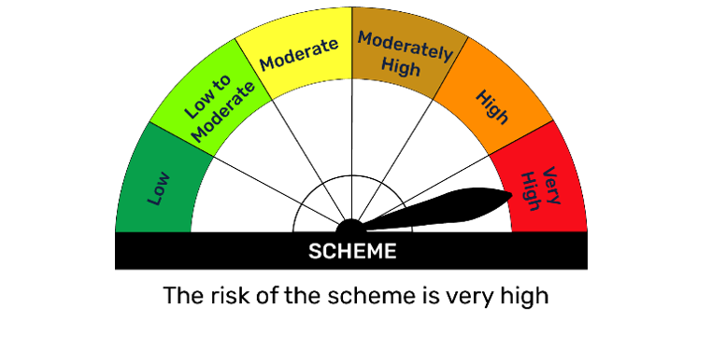 | 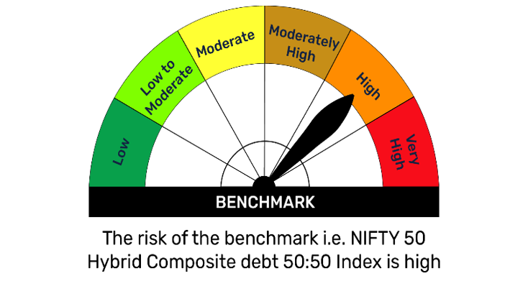

 | A. Hedging positions through futures as on Apr 30, 2026
 | Underlying | Long/ short | Futures price when purchased | Current price of the contract | Margin maintained in Rs. Lakhs
 | HDFC Bank Limited May 2026 Futures | Short | 790.22 | 776.10 | 365.71
 | Larsen & Toubro Limited May 2026 Futures | Short | 4,116.79 | 4,037.70 | 91.01
 | UltraTech Cement Limited May 2026 Futures | Short | 11,857.57 | 11,655.00 | 88.38
...

BFBKFIN
...
Notes
(5) Total market value of investments in foreign securities/ American Depository Receipts/ Global Depository Receipts as at April 30,2026 is Rs. Nil.
(7) Total outstanding exposure of repo transactions in corporate debt securities as on April 30, 2026, is Rs. Nil.
(8) Investment in short term deposits at the end of the month is Rs.NIL
(8) Bonus was declared during the Month : NIL

 | Benchmark Name - NIFTY FINANCIAL SERVICES TRI
Scheme Risk-O-Meter | Benchmark Risk-O-Meter
 | 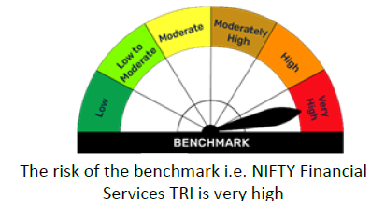

A. Hedging positions through futures as on Apr 30, 2026
Underlying | Long/ short | Futures price when purchased | Current price of the contract | Margin maintained in Rs. Lakhs
Bank Nifty Index May 2026 Futures | Short | 56,097.60 | 55,195.20 | 39.22
Total percentage of existing assets hedged through futures: 1.00%

For the period ended Apr 30, 2026, following details specified for hedging transactions through futures which have been squared off/ expired:
Total number of contracts where futures were bought: 105
Total number of contracts where futures were sold: 105
Gross notional value of contracts where futures were bought: Rs. 1074.385 Lakhs
...

BFEQSF
...
Notes
(4) Total outstanding exposure in derivative instruments as on April 30, 2026 is (1630.30) Lakhs.
(5) The average maturity is 206 Days/ Macaluay Duration of the portfolio is 192 Days.
(6) Total market value of investments in foreign securities/ American Depository Receipts/ Global Depository Receipts as at April 30, 2026 is Rs. Nil.
(7) Total outstanding exposure of repo transactions in corporate debt securities as on April 30, 2026 is Rs. Nil.
(8) Investment in short term deposits at the end of the month is Rs.NIL
(9) Bonus was declared during the Month : NIL

 | Benchmark Name - NIFTY EQUITY SAVINGS TRI
Scheme Risk-O-Meter | Benchmark Risk-O-Meter
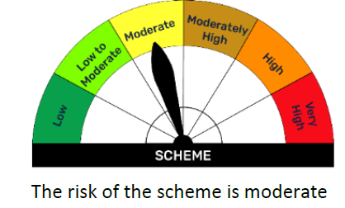

A. Hedging positions through futures as on Apr 30, 2026
Underlying | Long/ short | Futures price when purchased | Current price of the contract | Margin maintained in Rs. Lakhs
Apollo Hospitals Enterprise Limited May 2026 Futures | Short | 7,850.50 | 7,679.50 | 5.48
Bandhan Bank Limited May 2026 Futures | Short | 180.66 | 200.89 | 7.60
Bajaj Finserv Limited May 2026 Futures | Short | 1,782.91 | 1,752.40 | 13.80
Indus Towers Limited May 2026 Futures | Short | 402.81 | 412.20 | 10.56
Cipla Limited May 2026 Futures | Short | 1,320.30 | 1,315.20 | 2.11
GAIL (India) Limited May 2026 Futures | Short | 166.31 | 163.84 | 0.82
Hindalco Industries Limited May 2026 Futures | Short | 1,060.80 | 1,042.30 | 14.44
...

BFGILT
...
Notes
(5) The average maturity is 5092 Days/ Macaluay Duration of the portfolio is 2139 Days.
(6) Total market value of investments in foreign securities/ American Depository Receipts/ Global Depository Receipts as at April 30, 2026 is Rs. Nil.
(7) Total outstanding exposure of repo transactions in corporate debt securities as on April 30,2026, is Rs. Nil.
(8) Investment in short term deposits at the end of the month is Rs.NIL
(9) Bonus was declared during the Month : NIL

 | Benchmark Name - CRISIL DYNAMIC GILT INDEX IS MODERATE
Scheme Risk-O-Meter | Benchmark Risk-O-Meter
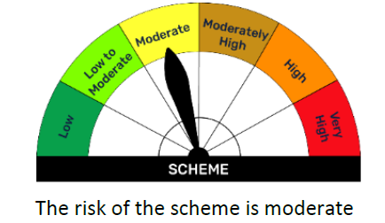

BFLOWD
...
Notes
(4) Total outstanding exposure in derivative instruments as on April 30,2026 is Nil.
(5) The average maturity is 324 Days/ Macaluay Duration of the portfolio is 317 Days.
(6) Total market value of investments in foreign securities/ American Depository Receipts/ Global Depository Receipts as at April 30,2026 is Rs. Nil.
(7) Total outstanding exposure of repo transactions in corporate debt securities as on April 30,2026 is Rs. Nil.
(8) Investment in short term deposits at the end of the month is Rs.NIL
(9) Bonus was declared during the Month : NIL

 | Benchmark Name - NIFTY LOW DURATION DEBT INDEX A-I
Scheme Risk-O-Meter | Benchmark Risk-O-Meter
 | 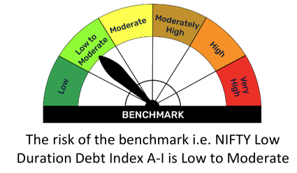

BFMAF
...
Notes
(6) The average maturity is 442 Days / Macaluay Duration of the portfolio is 394 Days.
(6) Total market value of investments in foreign securities/ American Depository Receipts/ Global Depository Receipts as at April 30, 2026 is Rs. Nil.
(7) Total outstanding exposure of repo transactions in corporate debt securities as on April 30, 2026 is Nil.
(8) Investment in short term deposits at the end of the month is Nil
(9) Bonus was declared during the Month : NIL
(10) Portfolio Turover Ratio as on April 30, 2026: 1.44 times

 | Benchmark Name - 65% NIFTY 50 TRI + 25% NIFTY SHORT DURATION DEBT INDEX + 10% DOMESTIC PRICES OF GOLD
Scheme Risk-O-Meter | Benchmark Risk-O-Meter
 | 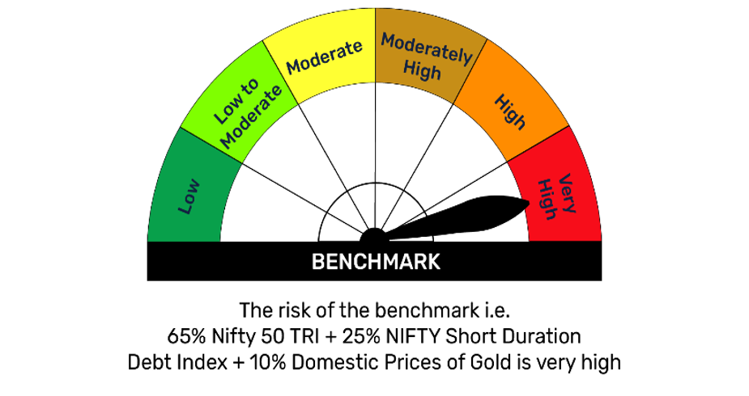

A. Hedging positions through futures as on Apr 30, 2026
Underlying | Long/ short | Futures price when purchased | Current price of the contract | Margin maintained in Rs. Lakhs
HDFC Bank Limited May 2026 Futures | Short | 789.96 | 776.10 | 774.08
State Bank of India May 2026 Futures | Short | 1,092.13 | 1,064.10 | 255.14
Eicher Motors Limited May 2026 Futures | Short | 7,126.58 | 7,149.00 | 133.83
NIFTY July 2026 Futures | Short | 24,153.19 | 24,340.00 | 424.10
Total percentage of existing assets hedged through futures: 6.99%
...

